Introduction
 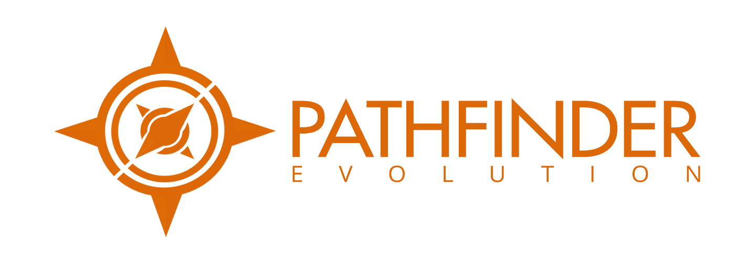 Business Assessment Questionnaire

Output
Severity of Strategic Issues
 | Good | Severity of issues
Bus Model I. | 0 | 0
I. | 0 | 0
I. | 20 | 0
I. | 30 | 0
Strategy II. | 0 | 0
II. | 0 | 0
II. | 24 | 0
II. | 36 | 0
Brand III. | 0 | 0
III. | 0 | 0
III. | 20 | 0
III. | 30 | 0
Sales & Mkt IV. | 0 | 0
IV. | 0 | 0
IV. | 14 | 0
IV. | 21 | 0
Legal & Regulatory V. | 0 | 0
V. | 0 | 0
V. | 26 | 0
V. | 39 | 0
Operations VI. | 0 | 0
VI. | 0 | 0
VI. | 12 | 0
VI. | 18 | 0
People VII. | 0 | 0
VII. | 0 | 0
VII. | 22 | 0
VII. | 33 | 0
Customer Care VIII. | 0 | 0
VIII. | 0 | 0
VIII. | 16 | 0
VIII. | 24 | 0
Culture Index IX. | 0 | 0
IX. | 0 | 0
IX. | 22 | 0
IX. | 33 | 0
 | The Graph Shows Acceptable or Excellent Good Areas in Blue. Your Answers show in Orange and Indicate the severity of the issues. Anything outside of the blue sectors is dragging your business down and preventing robust, expansion or growth.

 | Contact Compliance Consultant Pathfinder Service Now on 0207 097 1434 or please email @

 |  | info@complianceconsultant.org

The Orange overlay is the answers you have provided. The Blue framework is the "Acceptable" or "Excellent" silhouette for each aspect. If any blue remains visible, this forms part of the measure of areas that you need to focus on for a balanced and efficient growth and development. Please Save This Document somewhere safe and Email the entire workbook to survey@complianceconsultant.org and we will be in touch - please don't forget the NDA tab!

